Sheet1
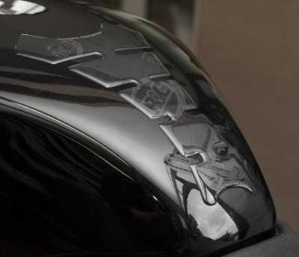
contoh barang buat dummy

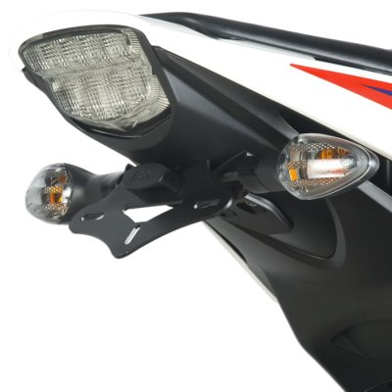
BRAND | NAMA | MOTOR
R&G Racing | Tail Tidies | Honda | CBR1000 2012 | R&G Racing Tail Tidies for Honda CBR1000
 |  |  |  | Price : 100000

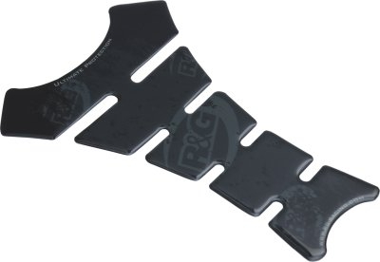
R&G Racing | Tank Pad | Universal |  | R&G Racing Tank Pad for all bike. Protecting from scratches
 |  |  |  | Price: 300000

